工作表1
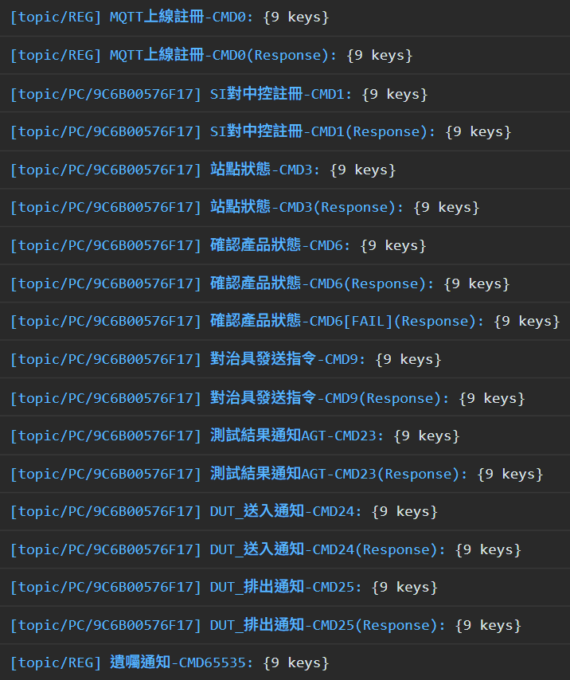
[Topic Name] Detail - CMD# | CMD# | From | To
 | 0 | AGT | Accton
 | 0 | Accton | AGT
 | 1 | AGT | Accton
 | 1 | Accton | AGT
 | 3 | AGT | Accton
 | 3 | Accton | AGT
 | 6 | AGT | Accton
 | 6 | Accton | AGT
 | 6 | Accton | AGT
 | 9 | AGT | Accton
 | 9 | Accton | AGT
 | 23 | AGT | Accton
 | 23 | Accton | AGT
 | 24 | AGT | Accton
 | 24 | Accton | AGT
 | 25 | AGT | Accton
 | 25 | Accton | AGT
 | 65535 | AGT | Accton

